Sheet1
 | Day | Day | Day | Day | Day
 | Keywords | Credits | Genre | Sub-Genre | Age Rating | Synopsis
 | 2016-05-10 |  | 2016-05-10 | 2016-05-10 | 2016-05-10
 | 1033 |  | 689
 | 2731 |  | 130 |  | 7374 |  |  | 11766
 | 1873 |  | 5184 |  | 225 |  |  | 543
 | 1084 |  | 211 |  | 111 |  |  | 633
 | 638 |  | 4159 |  | 156 |  |  | 876
 | 213 |  | 446 |  | 777
 | 94 |  | 5855
 | 27 |  | 4558
 | 19 |  | 1907
 | 77 |  | 1920
 |  |  | 209
 |  |  | 1167

Total Assets | 7789 |  | 25059 |  | 8643
Tile Says | 26556 |  | 26556 |  | 26556
% Should be | 70.669528543 |  | 5.6371441482 |  | 67.453682784

OBIEE adding FLOOR function
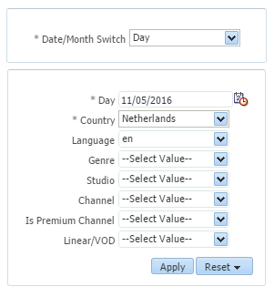
 | Total Assets for filter: |  | 25335 |  |  | Split by Keyword Bin:
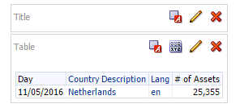
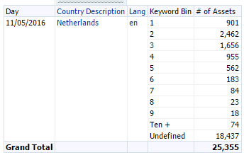
 |  |  |  |  |  |  |  |  |  |  |  | 901
 |  |  |  |  |  |  |  |  |  |  |  | 2462
 |  |  |  |  |  |  |  |  |  |  |  | 1656
 |  |  |  |  |  |  |  |  |  |  |  | 955
 |  |  |  |  |  |  |  |  |  |  |  | 562
 |  |  |  |  |  |  |  |  |  |  |  | 183
 |  |  |  |  |  |  |  |  |  |  |  | 84
 |  |  |  |  |  |  |  |  |  |  |  | 23
 |  |  |  |  |  |  |  |  |  |  |  | 18
 |  |  |  |  |  |  |  |  |  |  |  | 74
 |  |  |  |  |  |  |  |  |  |  |  | 18437
 |  |  |  |  |  |  |  |  |  |  |  | 25355

 |  |  |  |  |  | Split by Genre
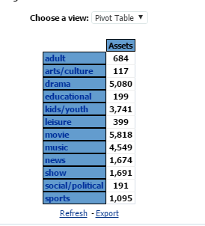

 |  |  |  |  |  |  |  |  |  |  | 684
 |  |  |  |  |  |  |  |  |  |  | 117
 |  |  |  |  |  |  |  |  |  |  | 5080
 |  |  |  |  |  |  |  |  |  |  | 199
 |  |  |  |  |  |  |  |  |  |  | 3741
 |  |  |  |  |  |  |  |  |  |  | 5818
 |  |  |  |  |  |  |  |  |  |  | 4549
 |  |  |  |  |  |  |  |  |  |  | 1674
 |  |  |  |  |  |  |  |  |  |  | 1691
 |  |  |  |  |  |  |  |  |  |  | 191
 |  |  |  |  |  |  |  |  |  |  | 1095
 |  |  |  |  |  |  |  |  |  |  | 24839

 |  |  |  |  |  |  |  |  |  | Difference= | 516
 |  |  |  |  |  |  |  |  |  | Diff % = | 2.0773783164

 |  |  |  |  |  |  |  |  |  | 0.047524752475

Count of Assets | 25355
Netherlands
2016-05-11 | 1 | 2 | 3 | 4 | 5 | 6 | 7 | 8 | 9 | 10+ | Undefined
en | 901 | 2462 | 1656 | 955 | 562 | 183 | 84 | 23 | 18 | 74 | 18437 | 25355
By Keyword
 |  |  |  |  |  |  |  |  |  |  | %= | 72.715440741

11/05/2016 | en | Netherlands
Short Synopsis Words | 1061 | 2624 | 3426 | 497 | 1 |  | 7609
Short Synopsis Characters | 2490 | 5105 | 14 |  |  |  | 7609

Medium Synopsis Words | 3372 | 3395 | 615 | 159 | 67 |  | 7608
Medium Synopsis Char | 2361 | 3952 | 889 | 248 | 158 |  | 7608

Long Synopsis Words | 4767 | 2433 | 295 | 96 | 17 |  | 7608
Long Synopsis Char | 6313 | 1135 | 146 | 8 | 6 |  | 7608

04-2016 | en | Netherlands

Short Synopsis Words | 1031 | 2731 | 3372 | 447 | 1 |  | 7582 |  |  | Var= | 30
Short Synopsis Characters | 607 | 2879 | 2209 | 1904 | 13 |  | 7612

Medium Synopsis Words | 3347 | 3333 | 662 | 164 | 35 |  | 7541
Medium Synopsis Char | 2380 | 3969 | 923 | 242 | 97 |  | 7611 |  |  | Var= | 70

Long Synopsis Words | 4816 | 2429 | 298 | 56 | 12 |  | 7611
Long Synopsis Char | 6346 | 1164 | 89 | 10 | 2 |  | 7611 |  |  | Var= | 0

